Server name plate
Server name plate
Part Number: NV-NOVAHUB25-001

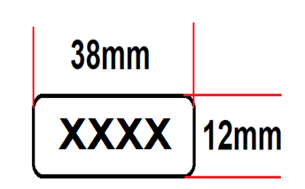
 |  |  | Front Side | Rear Side | Server Rear side
 |  |  |  | Patch Panel | In Patch Panel paste FAB Label on Conn "1"
 |  |  |  | MGT-SW | MGT-SW
 | Material: | White polyester lable |  | DATA-SW | DATA-SW
 |  |  | KVM
 |  |  | RPROX | RPROX | RPROX
 |  |  | MGT-SRV | MGT-SRV | MGT-SRV
 |  |  | ME524 | ME525 | ME526
 |  |  | ME5212 | ME5213 | ME5214
 |  |  | PMC.3 | PMC.3 | PMC.3
 |  |  | PMC.2 | PMC.2 | PMC.2
 |  |  | PMC.1 | PMC.1 | PMC.1
 |  |  | FM.2 | FM.2 | FM.2
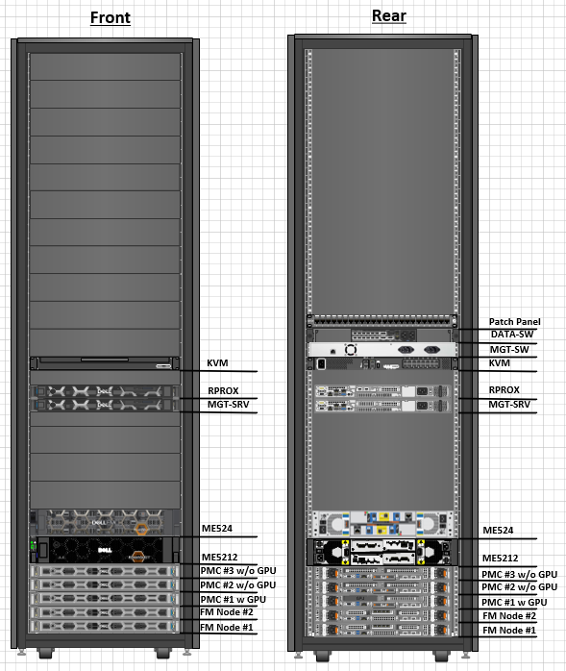
 |  |  | FM.1 | FM.1 | FM.1

